Sheet1
 | Notes
* KBA Approval Publish | want to notify OG when they need to approve, when a new article is published (usps14) | Currently I did this as a new workflow. Should look at flows and/or another way (just notifications, just biz rules)
Expire KBA (Outdated) | want to notify OG when an article is expiring and when an article is expired | I changed the "KB article expiry monthly" job to use ownership_group instead of u_owner_group
Retire KBA | want to notify OG when an article is retired | Test more to tell you exactly who can request a retirement?
* Feedback received | Want to notify OG when article feedback is received
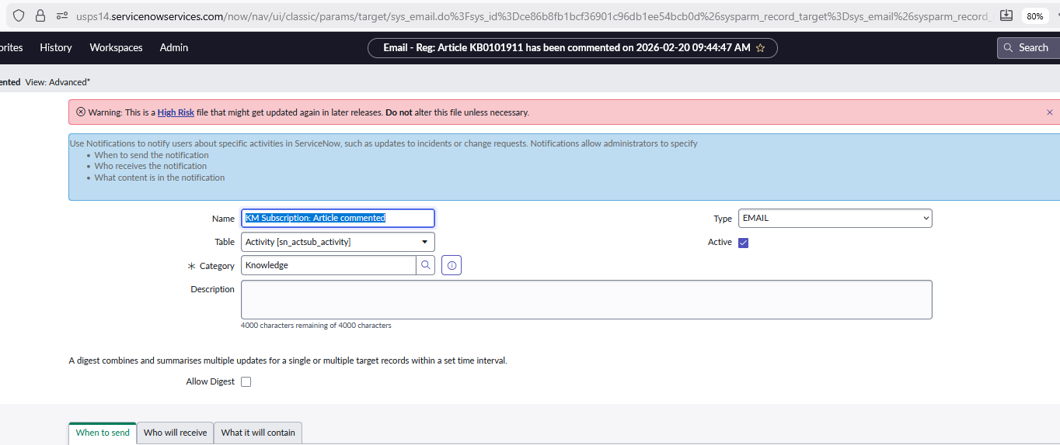
* Article Revised | Want to notify OG when article is revised. We want author to be at least a member of the ownership group. (Maybe open it up to the Kbase managers)
* Define "Nobody special"

Limit author field

